Vdo 1
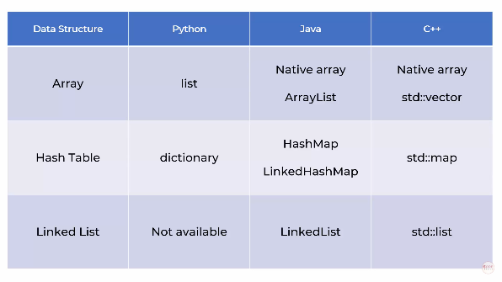
Data Structures
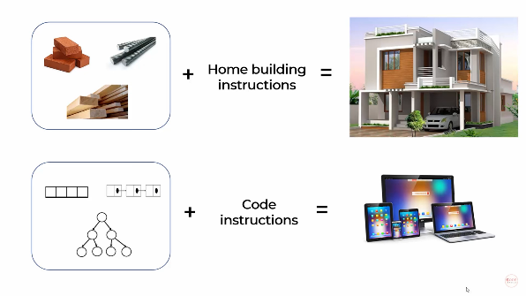

For building home, We need raw material upon which we give instructions, which result in home
Similarly data structures are the building blocks for software applications
We have to develop a code which operates on the data structure, which result in the software application
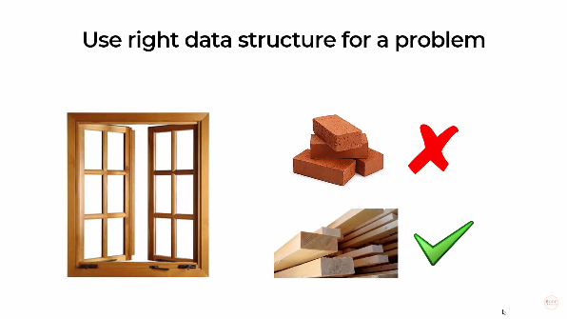

We cannot build window with bricks
We have to use wood
Similarly, a programmer have to choose proper data structure for a given problem

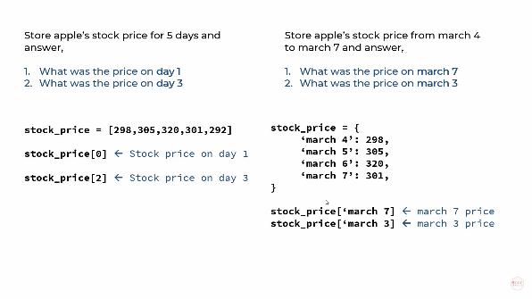
Data Structures are nothing but a containers of storing data in a specific memory layout
Ex - Arrays, Linked lists, tree etc.,

In first case, we are concerned with day 1 and day 3 only
So list/array data structure is enough and we can get the result using indexing
But in second case, we are more specific about the dates
So, We have to map the stock values to that particular dates
Hence, a dictionary/Hash table data structure is required
We can also do the second one using list, But it will not be an efficient program
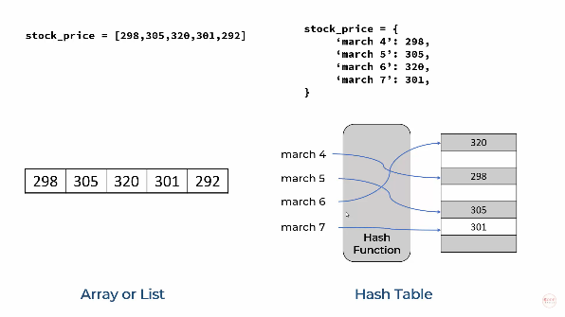

Data structure implementation in different languages are shown below

Vdo 2
Big O Notation
Big O Notation is used to measure how running time or space requirements
for your program grows as your input grows
Big O Notation has 2 parts
1) Time Complexity
2) Space Complexity

1) Time Complexity
Each computer will take different time based on the speed of the computer
So, we will represent it in mathematical form
We just find how it varies for smaller problem and for a bigger problem
Big O notation is the order of the equation
To find this, we follow two steps
Step 1: Keep fastest growing term
Step 2: Drop all constants (This also includes the constant of fastest growing term. Ex.-3 in -3n2)

Now Consider a problem of finding square of numbers for a list of numbers
When 100 items are there in list, it takes 0.22 milliseconds
But when 1000 items are there, it takes 2.30 milli seconds
When plotted in graph, it will vary linearly and we get the equation of the line as an+b
Big O notation is the order of the equation
Hence the time complexity for this problem is O(n)
O(n) represents if it takes 4 secs for 4 inputs, it will take 4milion secs for 4 million input

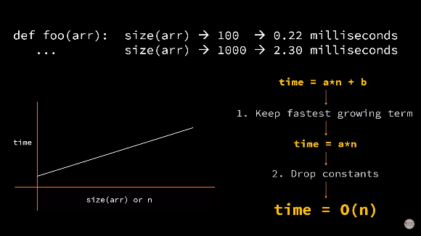
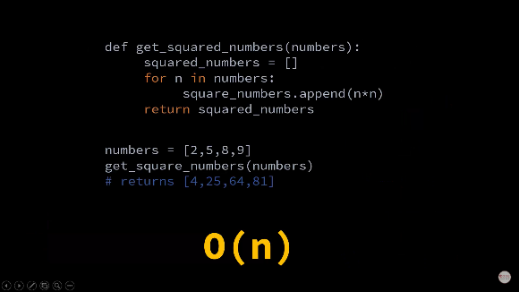

Now Consider a problem of finding pe of a stock by using index
When 100 items are there in list, it takes 0.22 milliseconds
But when 1000 items are there, it takes 0.23 milli seconds
It varies, but little bit. It is almost constant
This is because, we are using index to get a value
Even there is 100 element or 1000 elements, we are doing operation for only one element
But the time taken to locate the element based on the index will differ slightly
When plotted in graph, it will vary slightly, much like a constant
Big O notation is the order of the equation
t=a=a*1
Drop the constant, which gives order as 1
Hence the time complexity for this problem is O(1)

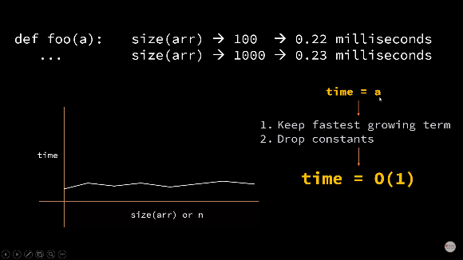
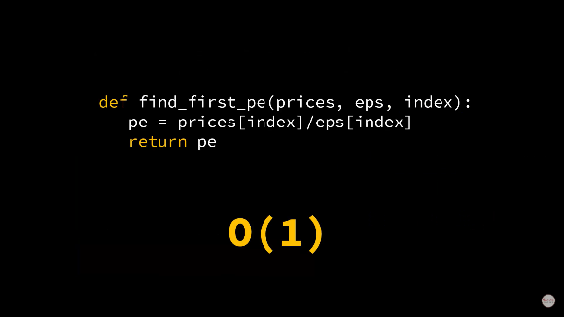

Now Consider a problem of finding duplicate numbers in a list
In the below program, it is doing 2 for loops
So it will be doing n iteration for each for loop
Hence, it will do n*n iterations
We get the time complexity equation as a*n2+b
Big O notation is the order of the equation
Fastest growing term = a*n2 and drop the constant a in a*n2
Hence the time complexity for this problem is O(n2)

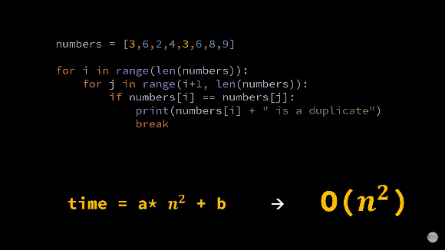

Now Consider in the same problem of finding duplicate numbers
If we use separate for loop to print duplicate instead of printing the duplicate inside the same for loop
Then, it will do n2 iterations for finding the number and n iteration for printing the number
BE CAREFUL! The order is not n3
We get the time complexity equation as a*n2+b*n+c
Big O notation is the order of the equation
Fastest growing term = a*n2 and drop the constant a in a*n2
Hence the time complexity for this problem is O(n2)
Some will say order of this problem is n2+n. But it is not.
It is evident from the second image that b*n is negligible when compared with a*n2

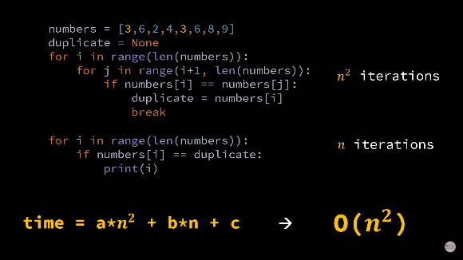
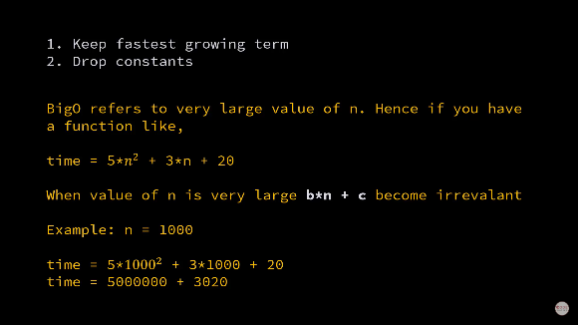

Now Consider a problem of finding a number by using index in a list
The program will search through each and every element in the list
Hence the time complexity for this problem is O(n)
This will take more time, in there are millions of elements in the list
To solve this, We can use bubble sorting
In each iteration, it will check weather the middle element is the required element or not
If it is the reqd element, the program stops there
But it it is not, it will check weather the number is greater or lesser than the number looking for
Based on this, the program will eliminate half of the items in the list
Thus, after iteration 1, the number of remaining items in the list will become n/2
Series of iterations are done and finally the number is found
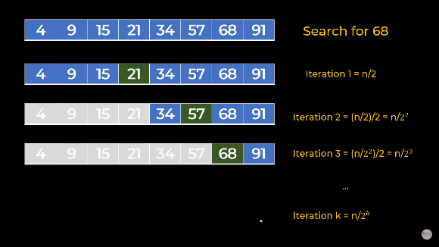
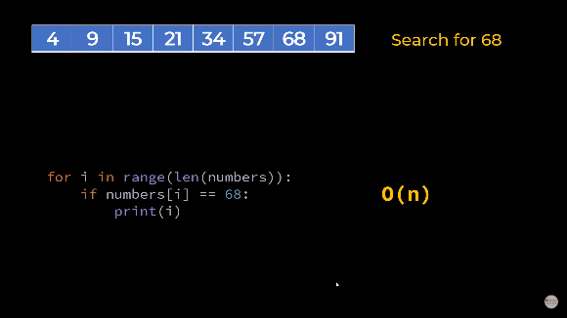

The worst case scenario is that the program finds the answer only when n/2k reaches 1
Where n/2k is the number of remaining items in the list
Thus, we can get the order of problem as O(log n)
It is observed that the number of iterations is reduced from 7 to 3

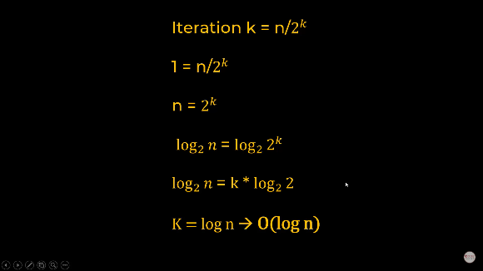
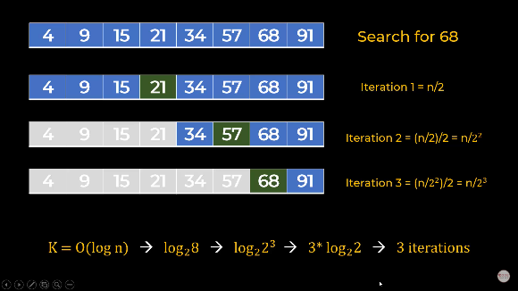

Study about space complexity

Vdo 3
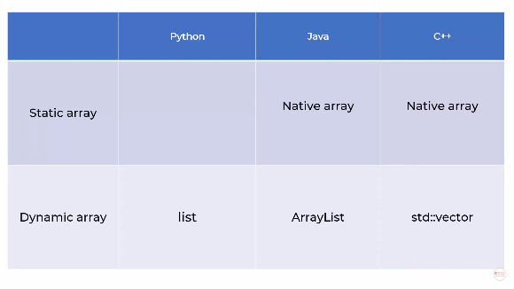
Arrays
Arrays are used to store multiple items to a single variable
Python arrays can store int, string, multiple objects etc.,
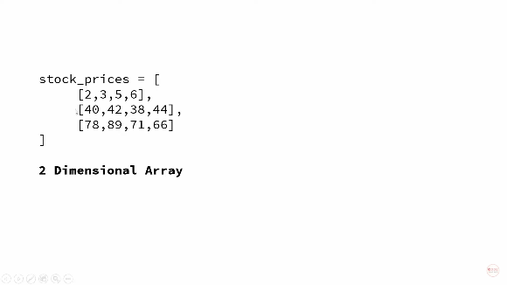
We can also save 2d, 3d arrays
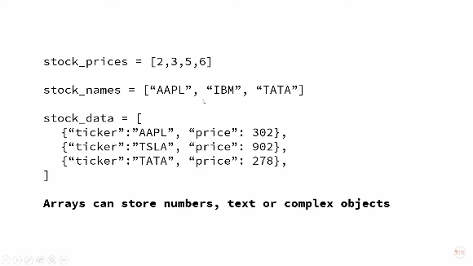

Consider a problem of storing stock prices of apple in a list and accessing them using index
Once list is created, the values are stored in memory locations, which have addresses
0x00500 are addresses in hexadecimal numbers
Lets visualise the storage pattern in RAM
It converts the value to binary number
It uses 4 bytes to store int | Check for no of bytes reqd fo other types like char, str, float, double also
So 298 is stored from 500 to 503
305 will be stored from 504

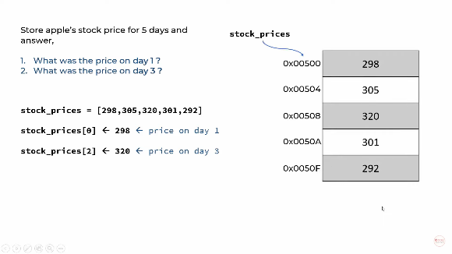

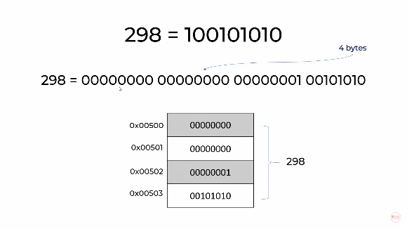
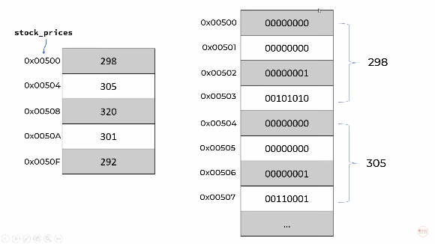

Various scenario and its indexes (Time complexity)

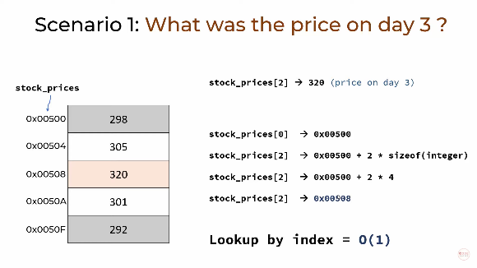
 |  | In this, even if we consider last element -
 |  | - the order is not O(n). It is O(1) only
 |  | Because it is not searching a number from start to end
 |  | If it requires 2nd index position
 |  | It will find memory of 0 index position and add 2*4
 |  | 2 in that 2*4 represents 2nd index position
 |  | If 3rd index is reqd, then it will add 3*4
 |  | 4 is for int type. It will take thye value based on input type
 |  | Even for nth item it just find the memory in first attempt itself
 |  | And finally the item is accessed with its memory
 |  | So its order is not O(n). Its order is O(1)

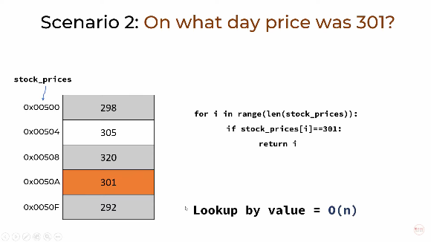
 |  | Here we are not looking by index
 |  | We are looking by value
 |  | So we have to do n number of iterations
 |  | We have to go through all the elements in the list
 |  | So the order is O(n)

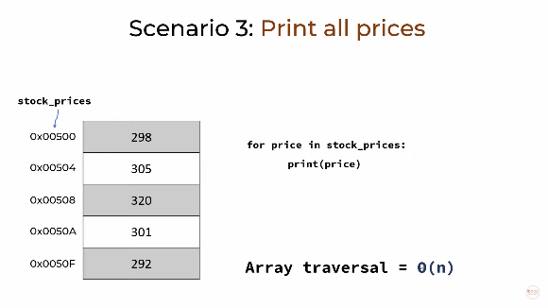
 |  | For printing all the elements also, -
 |  | - we have to go through all the elements in the list
 |  | So the order is O(n)

Adding and deleting element will not only does single operation
It adds/deletes the element first and then it shifts all the elements by 1 position
So n number of operation will be there
Hence, the order will be O(n)

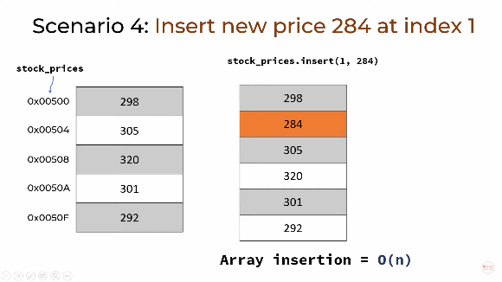
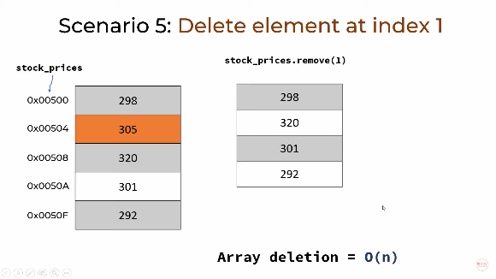

Static and Dynamic array:
Static array has fixed size (say =5 in image)
If we add at index [6], it shows error
Dynamic array don’t have fixed size. Hence it grows when we add more and more items.

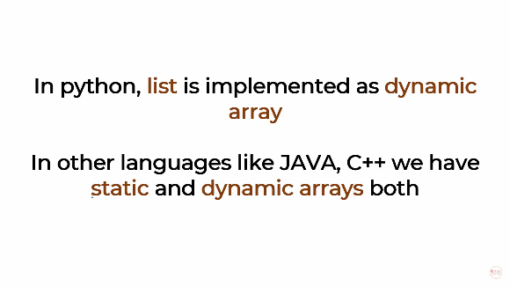
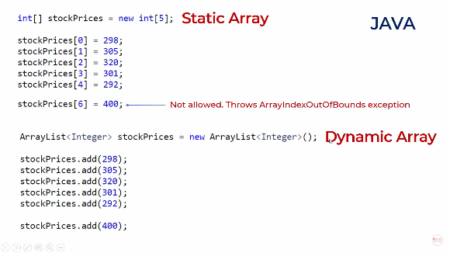

The grey hatch above and below are occupied by variables of same or other program
For storing dynamic array, initially the program allocates a memory of capacity = 10
There will be no problem till we add 10 elements

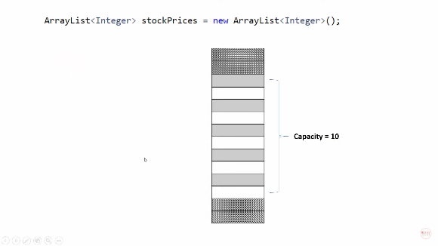
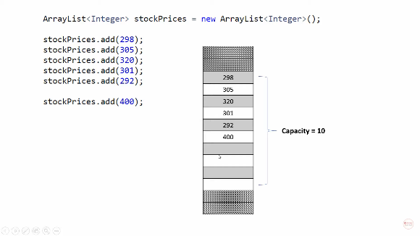

But, if we add 11th element
The program will create a memory somewhere else with twice the capacity(=20)
And then finally combines both at next location(10+20=30)
This process continues if we need to add 31st element
The array will grow from 30 to 90(=30+60)

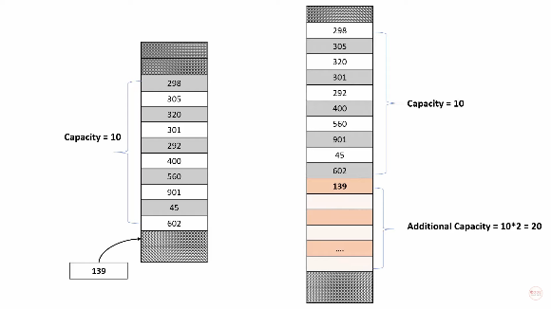

Static and dynamic arrays in different languages is shown below

Vdo 4
Linked List
There are some issues with arrays, which linked lists solves
In arrays, adding/removing items in the list is of order O(n)

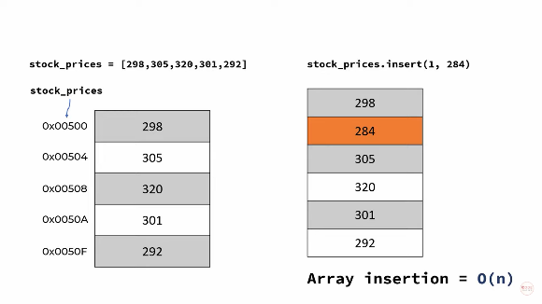

The main reason for this is swapping of items occurs along with adding/ removing items
For a capacity of 5 memory location. We can add an item when the list has only 3 objects
In this case, Swapping occurs first and then the item is inserted
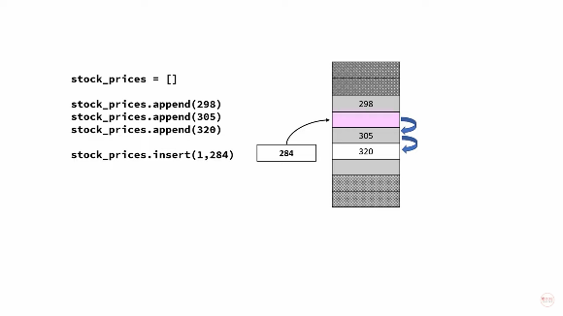


But if we want to add an item to the list, which already has full capacity
Then it moves entire list to a new memory location along with additional capacity of (2*previous capacity)
Hence new total capacity = old capacity(5)+additional capacity(2*5)=15
Thus adding items to a list, which reached full memory capacity allotted to it, will swap all items to new memory
Hence it is also of order O(n)

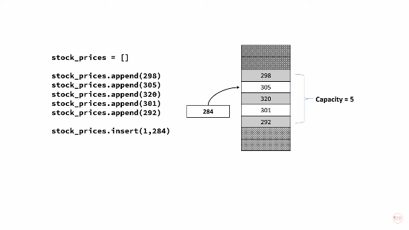
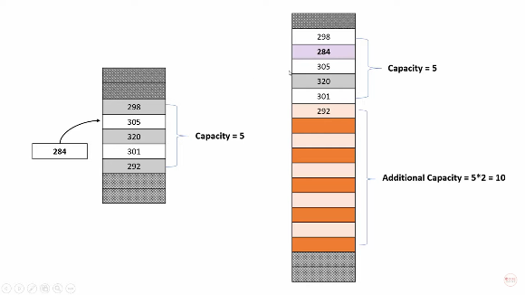

Linked list comes into place at this point
Arrays store items in continuous memory.
But, Linked list will store items in different areas of memory
We have to link a path between the items by specifying the address
We can access the next item by using the links
Hence, insertion becomes easier
The benefit is achieved mainly in terms of memory
The order of time complexity is shown in table below

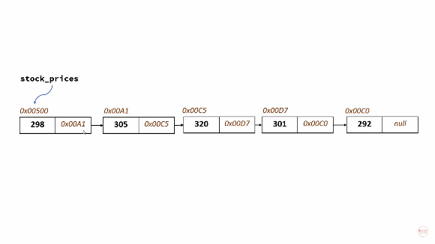
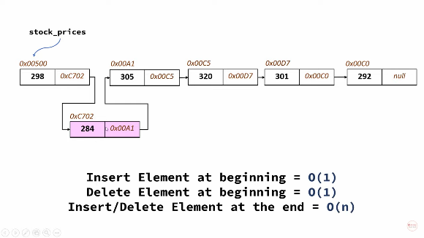

The indexing will have order of 0(n)
As we have to move through each element by accessing the reference in previous item
But arrays have indexing order 0(1)
That is a disadvantage
If we have references for both previous and next items in the list, It is called doubly linked list

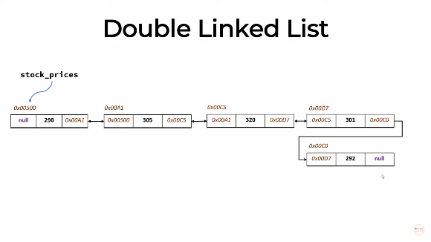
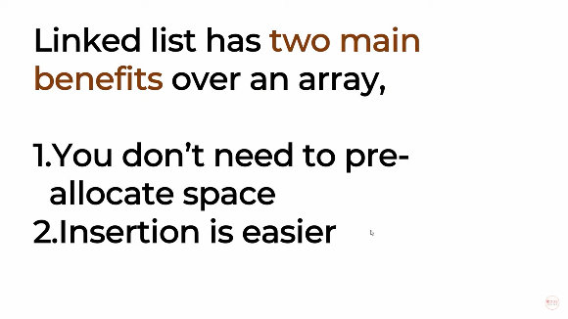

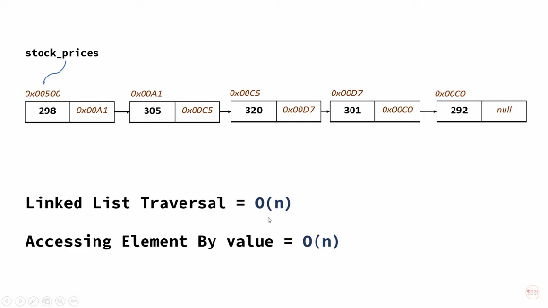
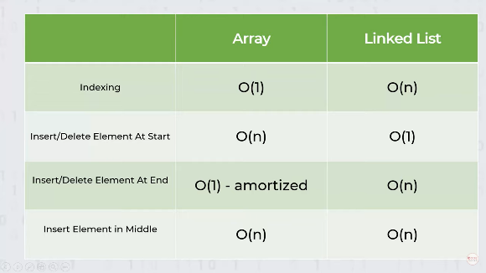

 | amortized - some additional cost
 | for adding items to a list
 | which reached full capacity

Creating a linked list
Very difficult to understand
Study deeper

